Sheet1
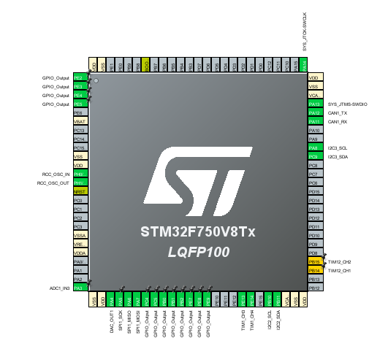
MCU Pin Name | Function
PA13 | SWDIO
PA14 | SWCLK
PA12 | CAN1_TX
PA11 | CAN1_RX
PB10 | I2C2_SCL
PB11 | I2C2_SDA
PA5 | SPI1_SCK
PA6 | SPI1_MISO
PA7 | SPI1_MOSI
PC4 | SPI1_CS_CELL1
PC5 | SPI1_CS_CELL2
PB0 | SPI1_CS_CELL3
PB1 | SPI1_CS_CELL4
PB2 | SPI1_CS_CELL5
PE7 | SPI1_CS_CELL6
PE8 | SPI1_CS_CELL7
PE9 | SPI1_CS_CELL8
PH0 | RCC_OSC_IN
PH1 | RCC_OSC_OUT
PB14 | PWM_FAN_1
PB15 | PWM_FAN_2
PA3 | NTC_PCB
PE13 | RPM_FAN1
PE14 | RPM_FAN2
PE2 | USER_LED1
PE3 | USER_LED2
PE4 | USER_LED3
PE5 | USER_LED4
PA8 | I2C3_SCL
PC9 | I2C3_SDA

